SQL
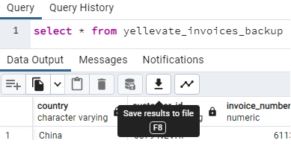
Step 1: Create new database and name it Group Project 1.
Step 2: Create Table and name it yellevate_invoices.
CREATE TABLE IF NOT EXISTS yellevate_invoices (
country varchar,
customer_id varchar,
invoice_number numeric, invoice_date date,
due_date date,
invoice_amount_usd numeric,
disputed numeric,
dispute_lost numeric,
settled_date date,
days_to_settle integer, days_late integer);
Step 3: Import CSV file (make sure to select UTF-8 and Header is Toggled On).
Step 4: Check imported dataset
select * from yellevate_invoices


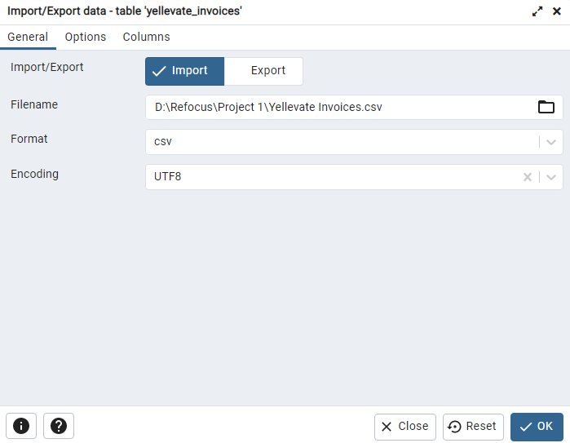
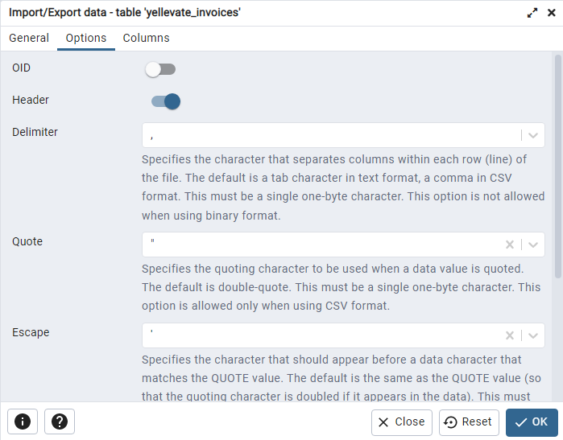
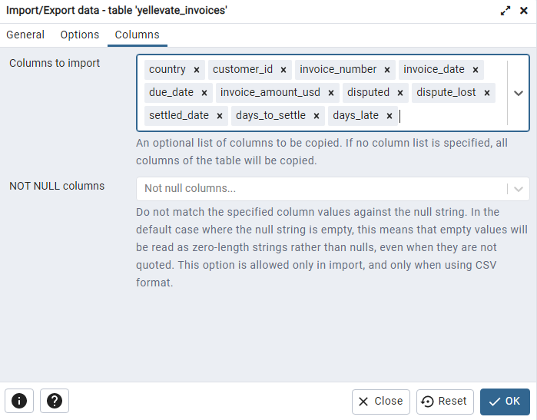

Step 5: Create backup table and add columns in preparation for data analysis.
CREATE TABLE yellevate_invoices_backup AS
SELECT *,
CASE
WHEN disputed=0 AND dispute_lost=0 THEN 'no disputes'
WHEN disputed=1 AND dispute_lost=0 THEN 'won disputes'
WHEN disputed=1 AND dispute_lost=1 THEN 'lost disputes'
END AS disputes,
CASE
WHEN disputed=0 AND dispute_lost=0 THEN 'gained revenue'
WHEN disputed=1 AND dispute_lost=0 THEN 'gained revenue'
WHEN disputed=1 AND dispute_lost=1 THEN 'lost revenue'
END AS revenueFROM yellevate_invoices;
Step 6: Check new table
select * from yellevate_invoices_backup
Step 7: Conduct the initial data analysis. (No.1-4)
select
round(avg (days_to_settle),0) as avg_processing_time,
round(avg (case when disputed = 1 then days_to_settle else NULL end),0) as avg_disputed_processing_time,
round(sum(dispute_lost) / sum(disputed)*100,2) as pct_lost_disputed,
round(sum (case when dispute_lost = 1 then invoice_amount_usd else 0 end)/sum (invoice_amount_usd)*100,2) as pct_losses
from yellevate_invoices_backup;

Step 7: Conduct the initial data analysis. (No.5)
select country,
sum(case when disputes='lost disputes' then invoice_amount_usd else 0 end) as losses_usd
from yellevate_invoices_backup
group by country
order by losses_usd desc
Step 8: Save SQL file and Export data as a CSV file
select country,
sum(case when disputes='lost disputes' then invoice_amount_usd else 0 end) as losses_usd
from yellevate_invoices_backup
group by country
order by losses_usd desc

Objective#1
 | Objective#1: Understand how long the processing time to settle invoices for all clients.

Average days to process Invoices per Country
Row Labels | Average of days_to_settle
Russia | 29
United States | 28
France | 28
Spain | 25
China | 23
Grand Total | 26

The average processing time to settle invoices is 26 days. Overall, these invoices were issued to 100 clients in 5 countries covering the period of January 2020 to December 2021. Invoices are settled within the given 30-day grace period. Among the five countries Spain and China are below the overall average. The rest went longer for 2-3 days but still within the 30-day grace period.

Objective#2
 | Objective#2: Determine processing time to settle all disputes among clients in all regions.

Average Processing Time of Invoices
Average Processing Time to settle Disputes
 |  | disputes | (Multiple Items)
Row Labels | Average of days_to_settle
Disputed | 36 | Row Labels | Average of days_to_settle
Not Disputed | 24 | United States | 41
Grand Total | 26 | Russia | 38
 |  | Spain | 37
 |  | China | 34
 |  | France | 34
 |  | Grand Total | 36

The average processing time to settle these disputed invoices is 36 days. France where 40% of the invoices were disputed; settlement was reached in 34 days. The United States took longest with 41 days Invoices that are not disputed were settled within 24 days.

Objective#3
Disputed Invoices by Country
Number of Disputes and Non-disputes
Percentage of Invoices
 |  |  |  |  |  |  | disputed | 1
 | Objective#3: Identify the region where most disputes are coming from and how huge the number is compared to other clients.
 |  |  |  |  |  |  | Row Labels | Sum of disputed
Row Labels | Count of invoice_number | Count of invoice_number | Column Labels |  |  |  | France | 38.88%
Not Disputed | 76.85% | Row Labels | Not Disputed | Disputed | Grand Total |  | Russia | 26.09%
Disputed | 23.15% | China | 555 | 61 | 616 |  | United States | 14.01%
Grand Total | 100.00% | United States | 426 | 80 | 506 |  | China | 10.68%
 |  | France | 339 | 222 | 561 |  | Spain | 10.33%
 |  | Spain | 337 | 59 | 396 |  | Grand Total | 100.00%
 |  | Russia | 238 | 149 | 387
 |  | Grand Total | 1895 | 571 | 2466

Disputes in USD (2020 vs 2021)

Percentage of Disputes

Row Labels | Count of invoice_number | Row Labels | 2021 | 2020
lost disputes | 17.69% | United States | USD 280,995.00 | USD 195,134.00
won disputes | 82.31% | 44% | USD 280,995.00 | USD 195,134.00
Grand Total | 100.00% | Spain | USD 145,219.00 | USD 118,236.00
 |  | 23% | USD 145,219.00 | USD 118,236.00
 |  | Russia | USD 494,157.00 | USD 522,226.00
 |  | -5% | USD 494,157.00 | USD 522,226.00
 |  | France | USD 791,721.00 | USD 766,520.00
 |  | 3% | USD 791,721.00 | USD 766,520.00
 |  | China | USD 230,657.00 | USD 203,879.00
 |  | 13% | USD 230,657.00 | USD 203,879.00
 |  | Grand Total | USD 1,942,749.00 | USD 1,805,995.00

571 out of 2,466 [23%] invoices were disputed by customers. The company lost [or opted-out] 101 invoices or 17.68% of disputes amounting to USD 690,167. |  |  |  |  |  | Disputes are increasing from 2020 to 2021 across the region except for Russia with a -5% decrease in terms of revenue in USD. We can relate the increase in the dispute as one of the factors of declining revenue. Russia can share its action plan and best practices with other regions on how they managed to decrease disputes from their clients.

Objective#4
 | Objective#4: Determine how much revenue is being lost and from which country most of the revenue lost is coming from.
 |  | revenue | lost revenue
Percentage of Revenue
Row Labels | Sum of invoice_amount_usd | Row Labels | Sum of invoice_amount_usd | Row Labels | Sum of invoice_amount_usd
gained revenue | $14,080,151 | Spain | $17,046.00 | Spain | 2.47%
lost revenue | $690,167 | United States | $22,936.00 | United States | 3.32%
Grand Total | $14,770,318 | China | $42,630.00 | China | 6.18%
 |  | Russia | $81,291.00 | Russia | 11.78%
Row Labels | Sum of invoice_amount_usd | France | $526,264.00 | France | 76.25%
gained revenue | 95.33% | Grand Total | $690,167.00 | Grand Total | 100.00%
lost revenue | 4.67%
Lost Revenue by Country
Grand Total | 100.00%

Yellevate lost USD 690,167 representing 4.67% of invoiced value USD 14,770,318. The country with highest losses is France amounting to $526,264 that is 76.25% of the total revenue lost.

Objective#5
 | Objective#5: Determine how much revenue is lost from disputes in 2020-2021.
 | Additonal Insights: Revenue Growth 2020 vs 2021

Lost Revenue by Country (2020 vs 2021)
Row Labels | 2021 | 2020
United States | USD 13,484.00 | USD 9,452.00
43% | USD 13,484.00 | USD 9,452.00
Spain | USD - | USD 17,046.00
-100% | USD - | USD 17,046.00
Russia | USD 25,344.00 | USD 55,947.00
-55% | USD 25,344.00 | USD 55,947.00
France | USD 350,633.00 | USD 175,631.00
100% | USD 350,633.00 | USD 175,631.00
China | USD 33,405.00 | USD 9,225.00
262% | USD 33,405.00 | USD 9,225.00
Grand Total | USD 422,866.00 | USD 267,301.00

We already established that nearly 5% are actual losses in revenue are because of disputes from clients. Russia and Spain have decreased lost revenue by -55% and -100%, respectively while the remaining countries increased lost revenue year on year.

Revenue Growth by Country (2020 vs 2021)
Row Labels | 2021 | 2020
France | USD 1,951,820.00 | USD 1,990,471.00
-2% | USD 1,951,820.00 | USD 1,990,471.00
China | USD 1,915,454.00 | USD 2,089,442.00
-8% | USD 1,915,454.00 | USD 2,089,442.00
United States | USD 1,342,559.00 | USD 1,395,518.00
-4% | USD 1,342,559.00 | USD 1,395,518.00
Russia | USD 1,171,519.00 | USD 1,278,687.00
-8% | USD 1,171,519.00 | USD 1,278,687.00
Spain | USD 782,559.00 | USD 852,289.00
-8% | USD 782,559.00 | USD 852,289.00
Grand Total | USD 7,163,911.00 | USD 7,606,407.00

Yellevate’s revenue from 2020 to 2021 has been declining; France is at -2% decline, the United States is at -4% while China, Russia, and Spain are at -8%. The management should also evaluate the quality of services they provide to the client to understand the reason for the declining revenue.

Recommendation_A
Recommendation A: Billing Process and Credit & Collection

Yellevate to review billing, credit and collection policies and procedures: - Determine when customers get the bill: The 30-day grace period starts when the invoice is generated. Send a statement of account to the client every end of the billing period. - Determine when to bill a customer: When do customers get billed? After a project, a fixed date every month? - Determine how customers pay the bill: Increase number in payment channels if applicable. - Establish credit lines and credit limits: if a customer has outstanding balances services should be stopped. Limit the adding of invoices/projects until a dispute has been settled. Lessening overlapping open disputes. - Create a system for customer rating and credit standing to be done annually: prompt payment or frequency of disputing bills - Review and amendment of the contract's alignment to each country’s laws and regulations connected to fund transfers, and credit and collections.

revenue | lost revenue
Average Processing Time to Settle Disputes (days) vs Revenue Lost (USD)
 | Average of Settled Days | Total Lost Revenue
France | 33 | ₱526,264.00
China | 35 | ₱42,630.00
Spain | 36 | ₱17,046.00
Russia | 39 | ₱81,291.00
United States | 46 | ₱22,936.00
Grand Total | 34 | ₱690,167.00

Data shows that clients in France are the fastest to settle lost disputes averaging at 33 days, however they are also the biggest contributor of lost revenue amounting to $526,264. Why is that? In the United States, settling lost disputes takes about 46 days, and clients in the United States are the least contributor of revenue lost. It is possible that the contracts or processes that Yelleve’s providing in this region is effective. It is suggested that the best practices of the people handling disputes for clients in the United States be applied to the people or employees who are handling disputes in France. The longer the days to settle disputes, the more scrutiny, the lesser the revenue lost.

Recommendation_B
Dispute Win vs. Dispute Loses per Country
Recommendation B: Bill Disputes

Row Labels | Lost Disputes | Won Disputes
France | 76 | 146
Russia | 13 | 136
China | 5 | 56
Spain | 4 | 55
United States | 3 | 77
Grand Total | 101 | 470

Note: France has the most number of disputed invoices and the most number of lost disputes, the great part of loss revenue is in this region.

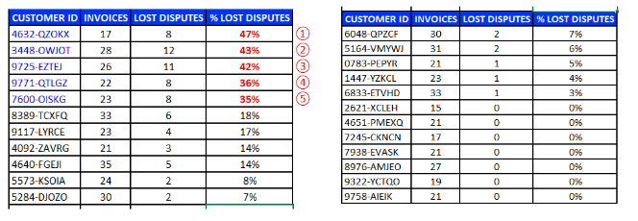
 |  |  | - Yellevate should investigate, classify, and deduce the root causes of disputes starting in France. Since the dataset doesn’t have the reasons about the disputes, we recommend Yellevate should start collecting this data moving forward. - Conduct audit or investigation particularly to the department that handles invoices and other transactions to determine and eliminate operational issues connected to dispute losses. Immediate review of the contract and take necessary action focusing on the top 5 customers with more than 30% of lost revenue because of client disputes.

From the data collected: - The company can then improve processes to mitigate if not eliminate causes of disputes. - Qualify and state clearly in the contract: the necessary rules and guidelines to establish limitations and qualifications of disputes - Establish KPIs for accountable personnel to keep bill disputes to an acceptable level.

Recommendation_D
Recommendation D: Cleint Relations/Account Management

revenue | lost revenue | revenue | gained revenue

Row Labels | Sum of invoice_amount_usd | Row Labels | Sum of invoice_amount_usd
China | 42630 | China | 3962266
France | 526264 | France | 3416027
Russia | 81291 | Russia | 2368915
Spain | 17046 | Spain | 1617802
United States | 22936 | United States | 2715141
Grand Total | 690167 | Grand Total | 14080151

Revenue & Lost Revenue per Country

Row Labels | Sum of invoice_amount_usd | Sum of invoice_amount_usd2
Spain | $17,046.00 | $1,617,802.00
Russia | $81,291.00 | $2,368,915.00
United States | $22,936.00 | $2,715,141.00
France | $526,264.00 | $3,416,027.00
China | $42,630.00 | $3,962,266.00
Grand Total | $690,167.00 | $14,080,151.00

Revenue Distribution per Country
revenue | gained revenue

Row Labels | Sum of invoice_amount_usd
China | 28.14%
France | 24.26%
Russia | 16.82%
Spain | 11.49%
United States | 19.28%
Grand Total | 100.00%

- Yellevate should be more engaging for the clients in France, improving communication should help the company understand why clients in France are disputing the services offered in this region. - Yellevate should also consider checking the market in France to see if competitors offering the same services is a challenge in the region, execute mitigation plan to solve the problem - Communication is the key. Build performance assessment forms for every service rendered by Yellevate to its client. This form should be attached to the invoice as a supporting document and proof that the client is satisfied with the service provided to them by Yellevate. It will also reduce claims of disputes from clients. - It's possible that due to the pandemic some clients in France are greatly affected and they wanted to make sure that their expenses are in order. They may ask to opt-out of payment to see if the company would consider it. Yellevate contracts should stipulate its term clearly and make sure that mitigating action during calamities are included if it's not already there.

